Flow chart
NCC Policy on Development Contributions 2018
 | Disclaimer
 | The development contributions calculated in this tool are for estimation purposes only. The results of this estimation are not official and are not binding in any way. The calculations and development contributions ($/HUD) are based on the NCC Policy on Development Contributions 2018. This tool was built for simple developments. Complicated developments with multiple land use categories may need to be assessed in stages. Please contact Nelson City Council Customer Services with any queries on (03) 546 0200.

 | Guidance
 | Step 1 : Select application type from below list - click the hyperlink to take you to the appropriate flow chart.
 | Step 2: Follow the appropriate flow path to specify the assessment method and appropriate policy - click the green end box to take you to an input tab.
 | Step 3: Input required fields and view estimate of all applicable contributions. Use the blue instructions to guide you through the inputs required.

1 | Please select appropriate application type:
 |  | Subdivision consent
 |  | Building consent

 |  | Notes:
 |  | Council does have the ability to levy development contributions at service connection, however they will typically be levied at the time of subdivision or building consent.
 |  | For more complex multiple land use developments please contact NCC staff.
 |  | The tool assumes all developments will connect to the Water Supply, Wastewater and Stormwater networks - this can be amended on the exemptions tab discussed in the following point.
 |  | Exemptions are not included in the first two tabs of this tool - if you think a subdivision may qualify for a Low Infrastructure Impact, Brownfields Intensification or a City Centre exemption, then please follow the link below the Res Sub summary table. For exemptions relating to building consents, please contact NCC on the above number.

 |  | Subdivision consent flow chart
Is the development area under category 1 or 2? (section 3.4)
Discuss with NCC staff
No
 |  | Click here to see Section 3.4 of 2018/19 Policy on DC and development area maps

Yes

 |  |  | Click here to assess a residential subdivision under the 2018 Policy on DCs.

 |  | Building consent flow chart
Is the development the first residential unit on a vacant title?
Does the development create new residential units on one title over and above 1 HUD, or above what has already been paid?
No
No
No further contributions payable

Yes
Yes
No further contributions payable
 |  |  |  | Click here to assess a residential building consent under the provisions of the 2018 Policy on DCs.

Definitions
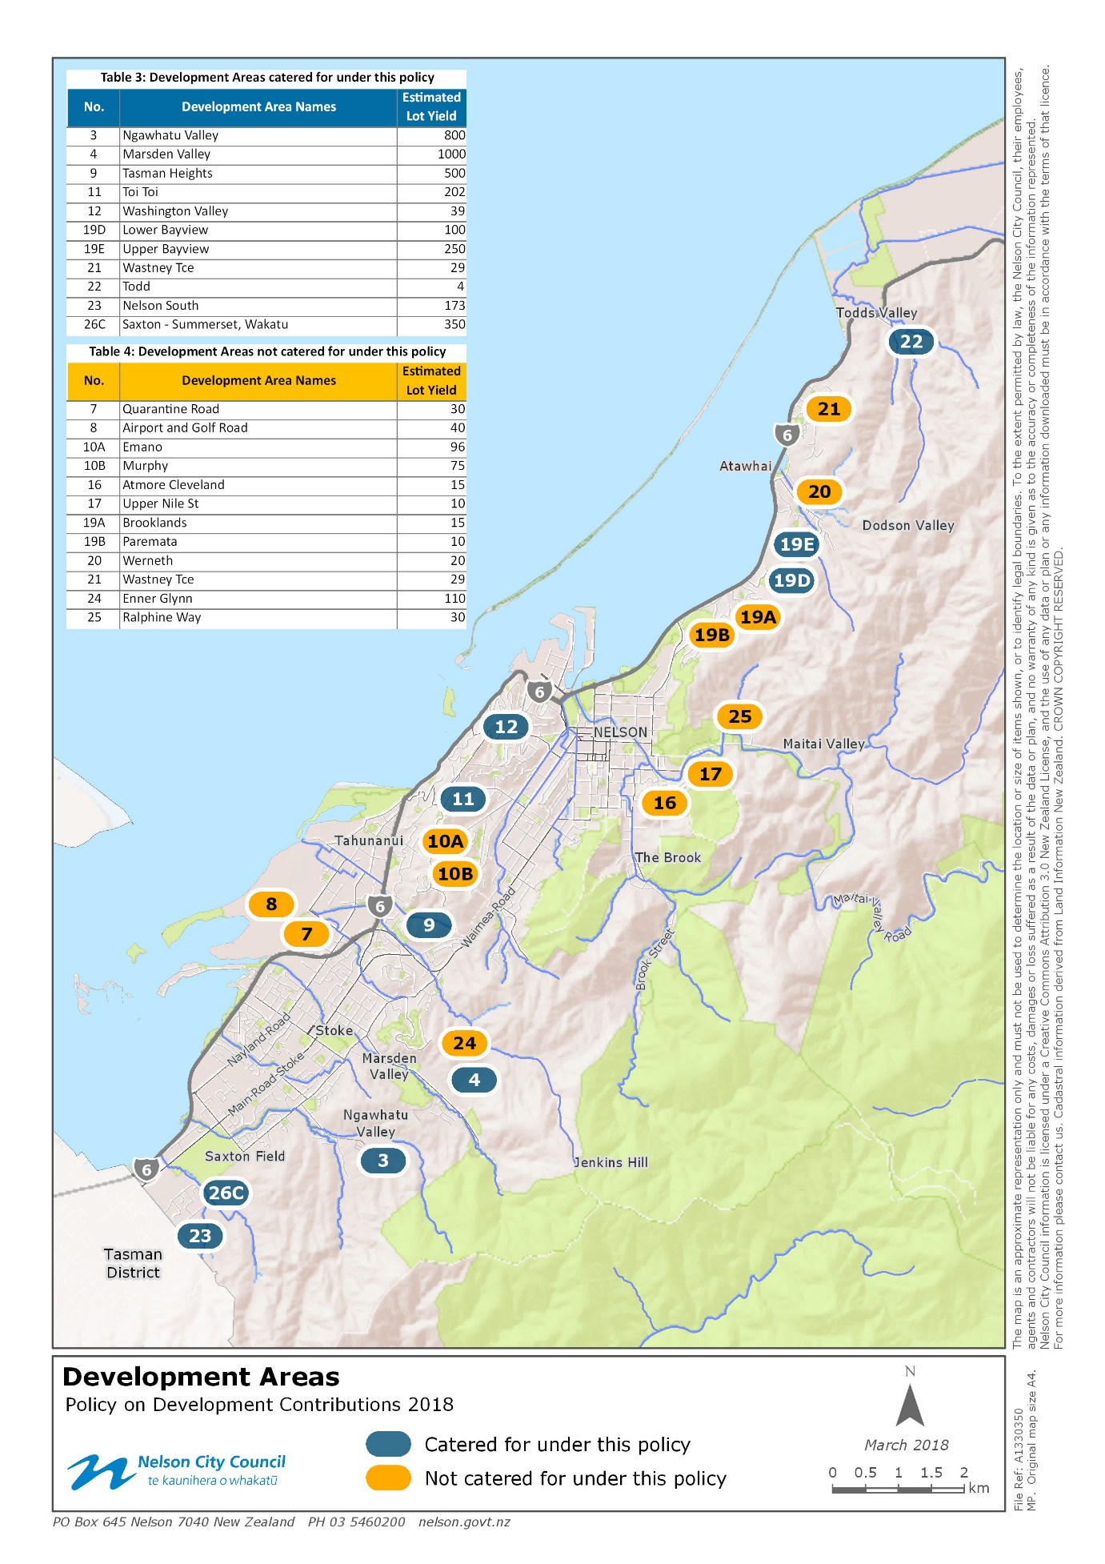
Section 3.4 Development Areas | 9.1 Maps - Map 1 - Development areas
Category 1: Development where no services overlay applies. (See Glossary for definition of a “service overlay.”) Category 2: Development where a services overlay is currently in place, but the existing constraints relating to council provided infrastructure (to the development boundary at the bottom of the catchment) will be removed by works planned in the 2018-2028 LTP. Category 3: Development where a services overlay is in place, and where the existing constraints relating to council provided infrastructure are not planned to be fully removed by works planned in the 2018-2028 LTP.
Table 3 : Development areas catered for under this policy Table 4 : Development areas not fully catered for under this policy

Section 7.3.2 Non-residential
Each additional non-residential title shall pay 1 HUD for each activity at subdivision stage. In addition, non-residential developments that create additional demand shall be converted to HUDs at building consent stage based on:
• Stormwater –impermeable surface area in addition to the existing shall be converted to HUDs based on 316m2 per HUD.
• Water Supply – the increase in pipe size from the existing shall be used to calculate the HUD.
• Wastewater – the greater of the number of pans in addition to existing, where each two additional pans equates to 1 HUD, or the increase in water pipe size from the existing.
The conversion table for both water and wastewater is shown below:

• Transportation - The number of car parks shall be used as a proxy to quantify the additional demand created by a non-residential development, i.e. the more car parks, the higher the increase in demand. The standard approach defined below shall be applied to all developments in the city-wide catchment, regardless of the actual car parking requirements of the consent conditions. A development not required to provide car parks (e.g. in the city centre) will still be assessed for a Transportation contribution under the standard approach because council consider that regardless of the car parking being on-site or off-site, all non-residential development will create additional demand on the transportation network. The number of car parks for all non-residential developments will be calculated under the formula set out in Table 10.3.1 in Appendix 10 of the NRMP based on the development type (e.g. commercial activity, industrial activity etc) and size. The number of car parks shall be converted to HUDs based on 4 car parks per HUD, e.g. 6 car parks = 1.5 HUD.
• General Reserves and Community Infrastructure – 0.5 HUD per accommodation unit for Accommodation developments (considered “residential” for the purpose of assessing reserve land contributions).
• Neighbourhood reserve land – not applicable.

Accommodation units - “…units, apartments, rooms in 1 or more buildings, or cabins or sites in camping grounds and holiday parks, for the purpose of providing overnight, temporary, or rental accommodation"

4.3.3 Low infrastructure impact developments (a) Stormwater: Council recognises that some developments control the additional stormwater they produce and consequently, have a reduced impact on Council’s network. Where this impact is permanent and won’t become redundant as a result of Council works in the future, Council may reduce development contributions for stormwater. In exercising this discretion, Council will be guided by the following: i. Where, following events equal to or greater than a one in 15 years storm event, stormwater will not discharge into a Council managed system, stormwater development contributions may be reduced by up to 50%; ii. Where, following events equal to or greater than a one in 15 years storm event, the stormwater will discharge into a Council managed system, stormwater development contributions: may be reduced by up to: 1. 25% where primary stormwater flows are managed to pre-development levels; 2. 50% where both primary and secondary stormwater flows are managed to pre-development levels
i. Where, following events equal to or greater than a one in 15 years storm event,
no low impact - regular SW disposal
stormwater will not discharge into a Council managed system,
the stormwater will discharge into a Council managed system, where primary stormwater flows are managed to pre-development levels;
the stormwater will discharge into a Council managed system, where both primary and secondary stormwater flows are managed to pre-development levels

4.3.2 Brownfield Intensification – Reserve Contribution Council will exempt a residential subdivision from 25% of the amount which would otherwise be payable as reserve contribution where the subdivision: (i) Has an underlying title of 2000m2 or less; and (ii) Creates lots of 300m2 or less; and (iii) Is located in the Residential Zone; and (iv) Is not located in the Services Overlay.

